1. Title Page
Data Analysis

Project Name: Analysis of Instacart data set for orders, departments, products, customers and the regions to improve their Marketing Strategy
Date: 05. 07. 2024
Analyst Name: Renu Balaji

Contents:
Population Flow
Consistency checks
Wrangling steps
Column derivations
Visualizations
Recommendations

Data Source: | CareerFoundry
 | The Instacart Online Grocery Shopping Dataset 2017”, Accessed from www.instacart.com/datasets/grocery-shopping-2017, via Kaggle

2. Population Flow
Title page

Population flow

Exclusion flag
Condition: max_order < 5
Obervations to be removed: 277
Final total count of order_products_all: 32434212

Orders_products_combined
Orders_products_merged
Orders_products_all

Total: 32404859
Total: 32.434.489
Total: 32404859

1.) The grey boxes in the first row of the population flow represent the original data sets as they were when you downloaded them. In the Total fields you need to add the count of the rows when you imported the data set into Jupyter.
2.) The second row of boxes (coloured) represents the data sets after you manipulated them, e.g., removed missing values and duplicates. In the Total fields you need to add the count of the rows after conducting these operations. This offers a visual oveview of how the data flows throughout the data consistency checks.
3.) The third row, where also the arrows are coloured, represents the merges you performed between the datasets. In the Total fields you need to add the count of the rows in the merged datasets, so that you end up with the final dataset (in the red box). Keep in mind the final dataset should be without exclusions (based on the exclusion flag).

3. Consistency checks
 |  |  |  | Title page
Consistency checks

Dataset | Missing values | Missing values treatment | Duplicates
orders | "206209" values in days_since_prior_order | Kept the missing values as it is since it could be the first orders of the customers who don't have any previous orders | There were no duplicates
products | "16" values in product_name | removed the values | There were 5 duplicate rows that were removed
orders_products_prior | NA | NA | NA
customers | NA | NA | NA

4. Wrangling steps
 |  |  |  | Title page
Wrangling steps

Columns dropped | Columns renamed | Columns' type changed | Comment/Reason
eval_set' |  |  | Was not required for the analysis (Ex 4.4)
 | orders_dow' | orders_day_of-week | dow was not easy to understand (Ex 4.4)
 | First Name' | first_name | to make sure everything is in small letters linked with an '_' (Ex 4.9)
 | Surnam' | last_name | to make sure everything is in small letters linked with an '_' (Ex 4.9)
 | Gender' | gender | to make sure everything is in small letters and to maintain consistency (Ex 4.9)
 | STATE | state | to make sure everything is in small letters and to maintain consistency (Ex 4.9)
 | Age | age | to make sure everything is in small letters and to maintain consistency (Ex 4.9)
 | Income | income | to make sure everything is in small letters and to maintain consistency (Ex 4.9)
 |  | first_name (object--> str) | was not showing a uniform datatype (Ex 4.9)
 |  | order_id (int64 --> str) | Not required for analysis (Ex 4.4)
 |  | user_id (int64--> str) | Not required for analysis (Ex 4.4)

Data Privacy |  | first_name | Dropped for data analysis due to privacy laws
 |  | last_name | Dropped for data analysis due to privacy laws

5. Column derivations
 |  |  |  | Title page

Column derivations and aggregations

In this tab you should add tables below that the frequences of flags/label variables that you produced after deriving them. NB: don't do this for continuous variables, only for flags.
Dataset | New column | Column/s it was derived from | Conditions
orders_products_merged_derived.pkl | price_range | prices | If price <=5, then "Low-range product" If else price > 5 and <=15, then "Mid-range product" If else price >15, then "High-range product"
 | busiest day | order_dow | If day 0 (Saturday), then busiest day. If day 4 (Wednesday) then least busy day. Other days are regularly busy.
 | busiest_days | order_dow | Day 0 (Saturday) Day1 (Sunday) are "Busiest days" Day4 (Wednesday) or Day3 (Tuesday) are "Slowest days" The rest of the days are regularly busy.
 | Busiest_period_of_day | order_hour_of_day | If order_hour_of_day is 10, 11, 14, 15, 13, 12, 16 = "Most Orders" If order_hour_of_day is 17, 8, 18, 19, 20, 7, 21, 22, 23 = "Average Orders" other order_hour_of_day = "Fewest Orders"
orders_products_grouped.pkl | loyalty_flag | max_order | If max_order > 40 then loyal customer. If max order <=40 and > 10 then regular customer. If max order <= 10 then new customer.
 | spending_flag | mean_product_price | If avg price < 10 then low spender. If avg price >=10 then high spender.
 | order_frequency_flag | median_days_since_prior_order | If median_days_since_prior_order > 20, then Non-Frequent customer. If median_days_since_prior_order <=20 and >10, then Regular customer. If median_days_since_prior_order <=10 then Frequent customer.
df_regular_activity_new.pkl | exclusion_flag | max_order | If max_order <5 ='low_orders' If max_order >=5, 'high_orders'
 | age_group | age_group | If 'age' <= 30 = 'Young Adult' If 'age' is between 30 to 60 = 'Middle-aged Adult' If 'age' >= 60 = 'Senior'
 | income_groups | income | If 'income' <= 50000 = 'Low_income' If 'income' is between 50000 to 100000 = 'Middle_income' If 'income' >= 100000 = 'High_income'
 | departmental_groups | department_id | If 'department_id' is 1, 3, 4, 9, 12, 13, 14, 15, 16, 19, 20 = 'Food_items' If 'department_id' is 5, 7 = 'Beverages' If 'department_id' is 2, 6, 8, 10, 11, 17, 18, 21 = 'Others'
 | day_group | orders_day_of_week | If 'orders_day_of_week' is 0, 6 = 'Weekend' If 'orders_day_of_week' is 1,2,3,4,5 = 'Weekday'
 | hour_group | order_hour_of_day | If 'order_hour_of_day' is 0, 1, 2, 3, 4, 5, 6 = 'Dawn_orders' If 'order_hour_of_day' is 7, 8, 9, 10, 11 = 'Morning_orders' If 'order_hour_of_day' is 12, 1, 2, 3 = 'Noon_orders' If 'order_hour_of_day' is 4, 5, 6, 7, 8, 9, 10, 11 = 'Night_orders'
customer profiles | income_groups | income | If 'income' <= 50000 = 'Low_income' If 'income' is between 50000 to 100000 = 'Middle_income' If 'income' >= 100000 = 'High_income'
 | age_group | age_group | If 'age' <= 30 = 'Young Adult' If 'age' is between 30 to 60 = 'Middle-aged Adult' If 'age' >= 60 = 'Senior'
 | dependent_flag | number_of_dependents | If number of dependents > 0, then has dependents. If number of dependents =0 then no dependents.
 | region | state | Northeast states = 'Maine','New Hampshire','Vermont','Massachusetts','Rhode Island','Connecticut','New York','Pennsylvania','New Jersey' Midwest states = 'Wisconsin','Michigan','Illinois','Indiana','Ohio','North Dakota','South Dakota','Nebraska','Kansas','Minnesota','Iowa','Missouri' Southern states = 'Delaware','Maryland','District of Columbia','Virginia','West Virginia','North Carolina','South Carolina','Georgia','Florida','Kentucky', 'Tennessee','Mississippi','Alabama','Oklahoma','Texas','Arkansas','Louisiana' Western states = 'Idaho','Montana','Wyoming','Nevada','Utah','Colorado','Arizona','New Mexico','Alaska','Washington','Oregon','California','Hawaii'

6. Visualizations
Title page

Visualisations

In this tab you should include all the visualtions from Exercises 4.9 and 4.10, alongside the questions from the project brief that they answer. Include any commentary on the relationship between different variables.

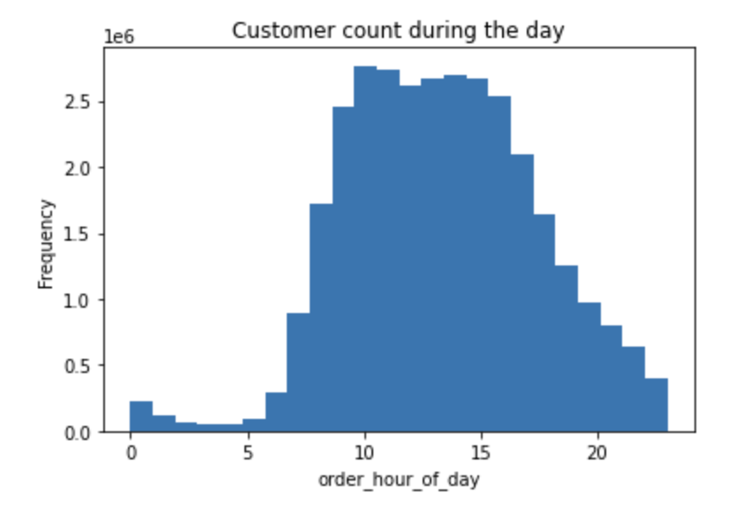
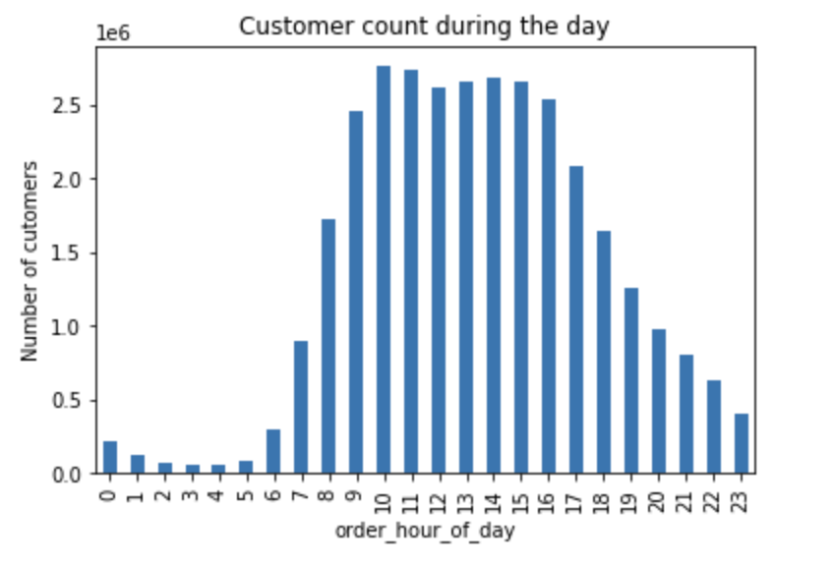

Key Question: What are the busiest hours of the day?
A. This histogram indicates a peak in orders at 10:00 all the way till 15:00 after which the frequency of order reduces.
B. The bar chart also indicates that the highest frequency of orders is at 10:00 and the lowest order frequency is at 03:00.

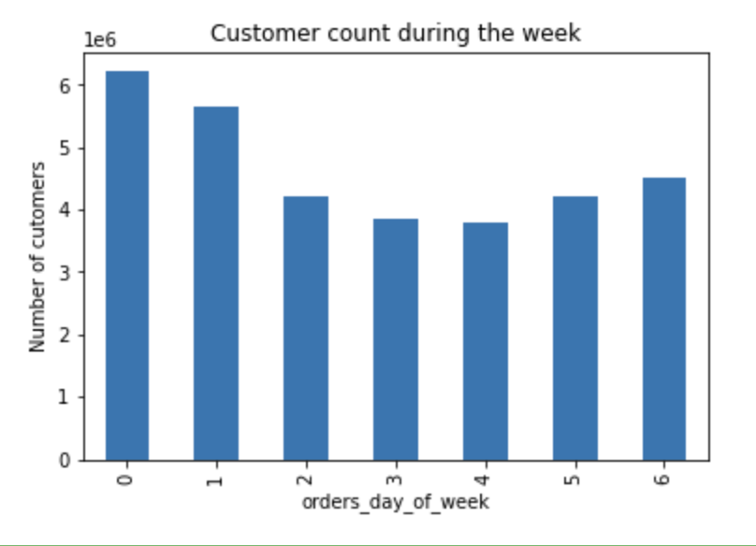

Key Question: What are the busiest days of the week?
Highest frquency of orders (~6 per day) are placed on Saturday and Sunday (days 0 and 1), while there are fewer orders made on weekdays. Midweek is the period with the least orders (~frequency of 3 per day) (days 3 and 4).

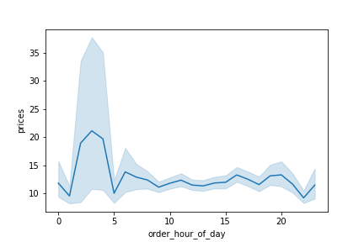
Key Question: What time of the day do people spend the most money?
The average is highest during early-morning orders, peaking around 4am then the average stays almost the same.

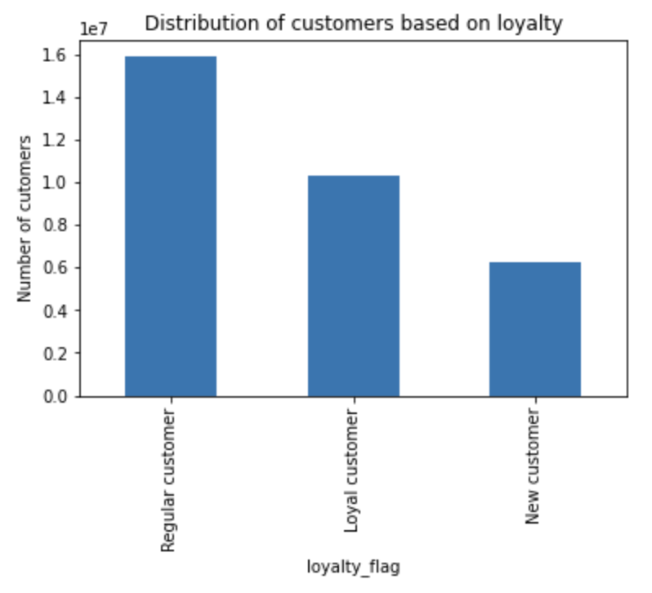
Key Question: What are the distribution of customers according to their brand loyalty?
Most customers (51%) are regular with number of orders greater than 10 and less than 40. Next highest customers are loyal (32%) with greater than 40 orders.

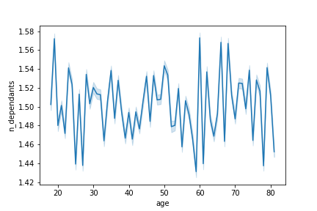
Key Question: Was there any link between age and number of dependants of the customers?
There is no significant pattern that can be visible between the age and the number of dependants since the graph peaks and falls randomly. Therefore, we cannot provide any conclusion regarding this relation.

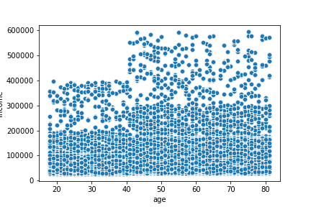
Key Question: Was there any link between age and spending power of the cutomers?
The scatterplot shows that a significant portion of the client base, spanning all age groups, earns up to 200,000, with customers 40 years of age and above earning up to 600,000. Thus, due to their higher income, customers 40 years of age and older may spend more.

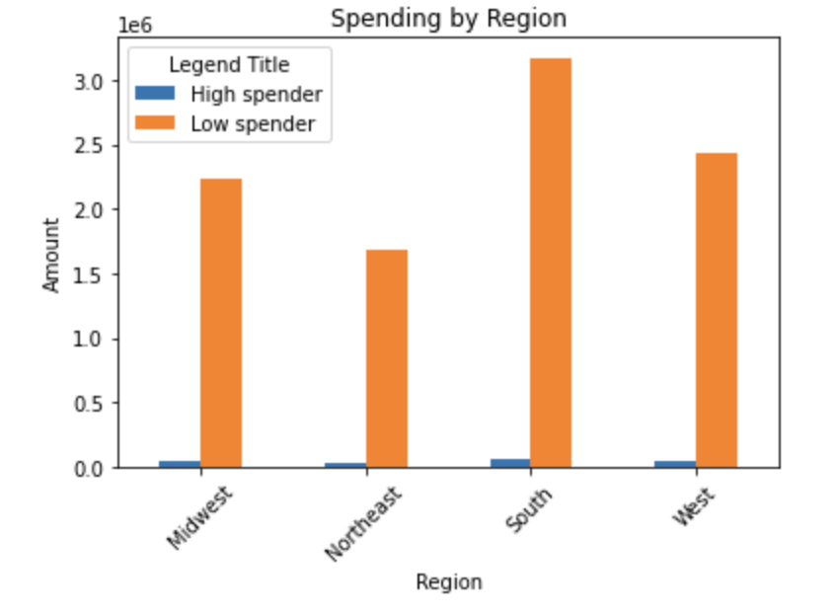
Key Question: Was there any link between spender and their regions across the states?
The highest spenders (33%)' are from the Southern states, followed by the west (25%) and then the midwest (24%). The Northeast (18%) have the lowest spenders.

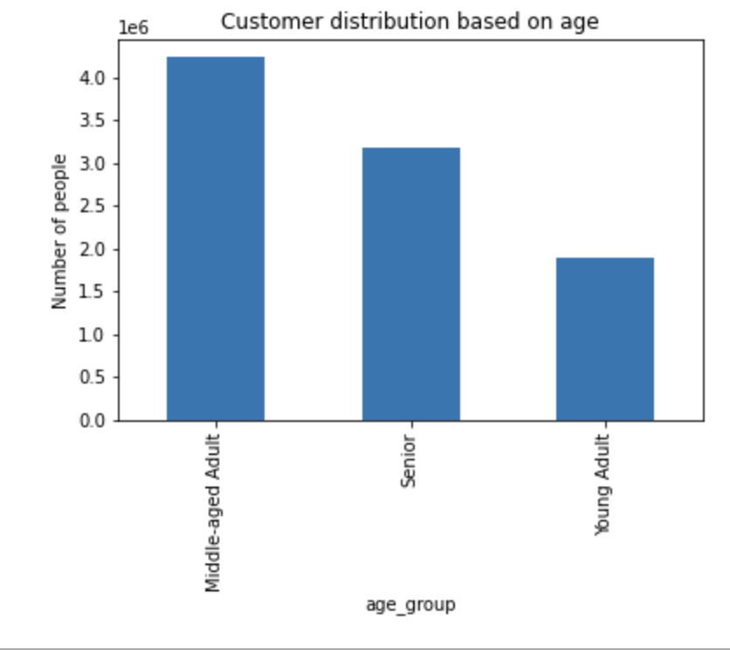
Key Question: What is the age-distribution of the customers who are regular users of Instacart?
46% of Middle-aged adults Instacart, followed by Seniors who comprise of 34% of the usage. The usage amongst Young adults (30%) seem to be the lowest.

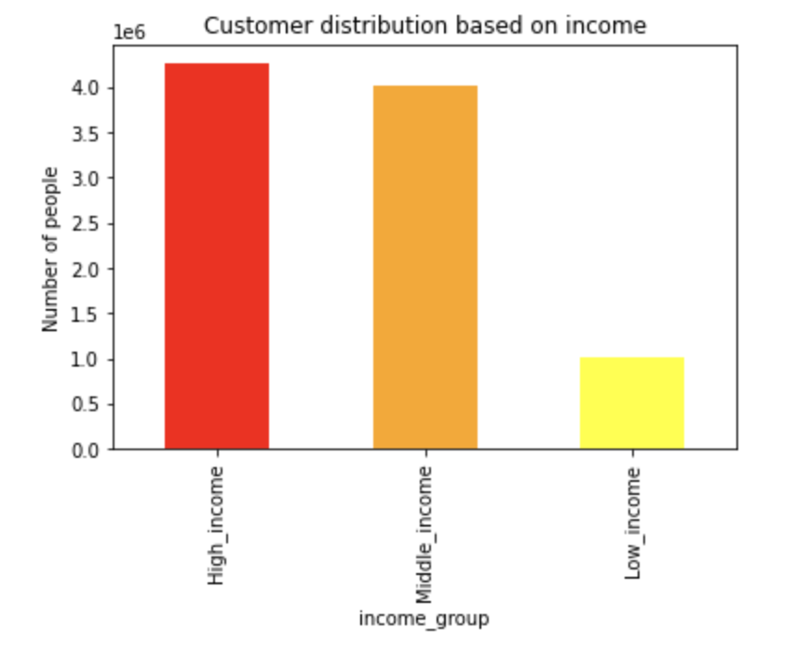
Key Question: What is the income-distribution of the customers who are regular users of Instacart?
47% of Instacart users are High-income customers, followed by 43%. The usage amongst Low-income customers seem to be the lowest which is about 11%.

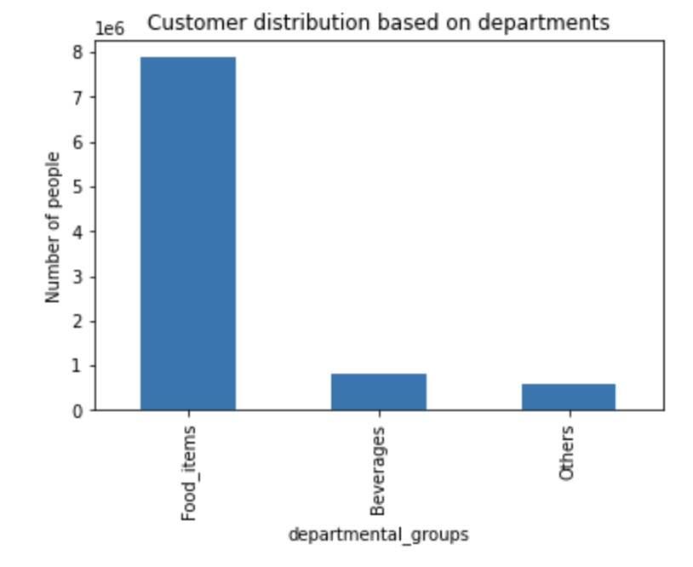
Key Question: What is the departmental-distribution of the customers who are regular users of Instacart?
85% customers tend to purchase food products such as product, meat etc. Compared to the food purchasers, the proportion of customers purchasing beverages are lower i.e., 9% of the total customers. And the lowest 6% customers purchase other allied products.

Key Question: Do customers make more purchases during the weekdays or weekends?
Most customers (67% of total customers) tend to purchase on Weekdays in total compared to weekends which comprise of 33% of the total customers
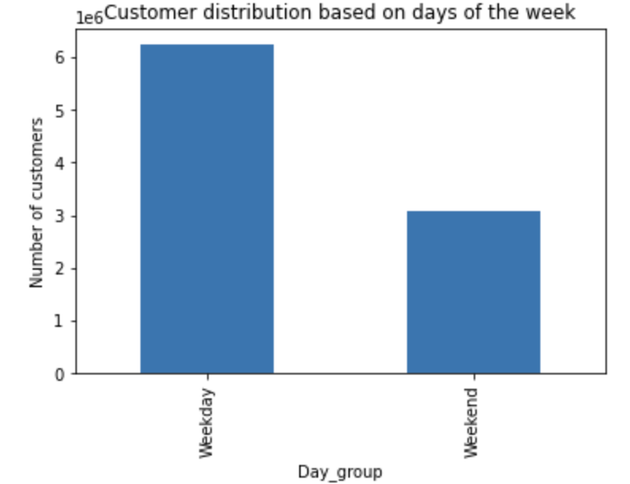

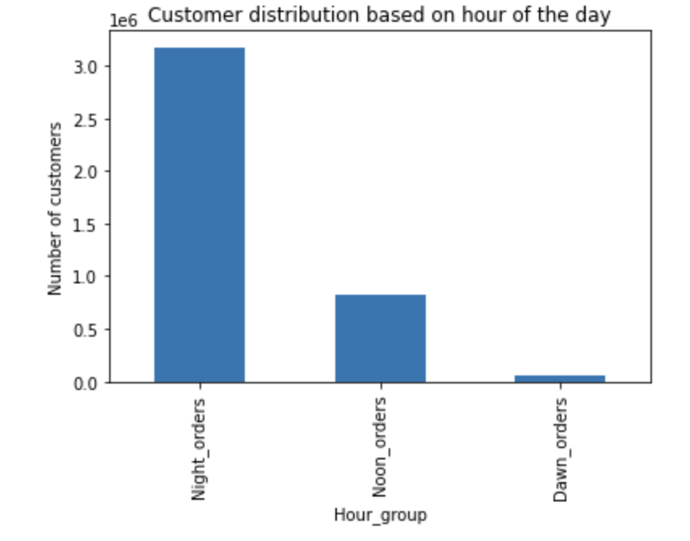
Key Question: What time of the day do customers make the highest purchases?
Most customers (34% of total customers) tend to purchase the highest in the evening-night beyond 4pm followed by the noon from 12-3pm which includes 9% of the total customers.

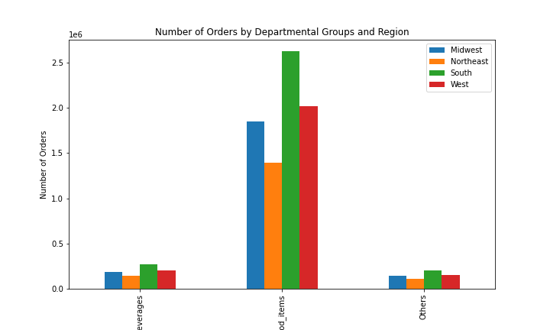
Key Question: Customers from which region order from which departments the highest?
The South region has the highest overall purchase, accounting for 32.5% of the total purchases across all regions. In each region, the Food_items department is the leading contributor, with the following percentages:
Midwest: 84.34%
Northeast: 84.35%
South: 84.67%
West: 84.71%
These percentages highlight the dominance of the Food_items department in every region.

Beverages
Food-items
Others

Key Question: What are the age groups of the customers and their income levels?
From the pie charts and the graphs above, it can be clearly indicated that in the middle age group, 47% of the total customers are from the High-income group. A similar observation can be made even for the senior group where 70% of the total customer-base falls under the high income category. Whereas, more (81%) of middle income young adults purchase from Instacart compared to other income classes.
In the low income segment, the customers are mostly middle aged constituting of 45% of the total customer base. In the middle income segment, the highest contributors (45%) are also middle aged adults. In the high-income segment, the senior adults comprise of 52% of the total customer base.
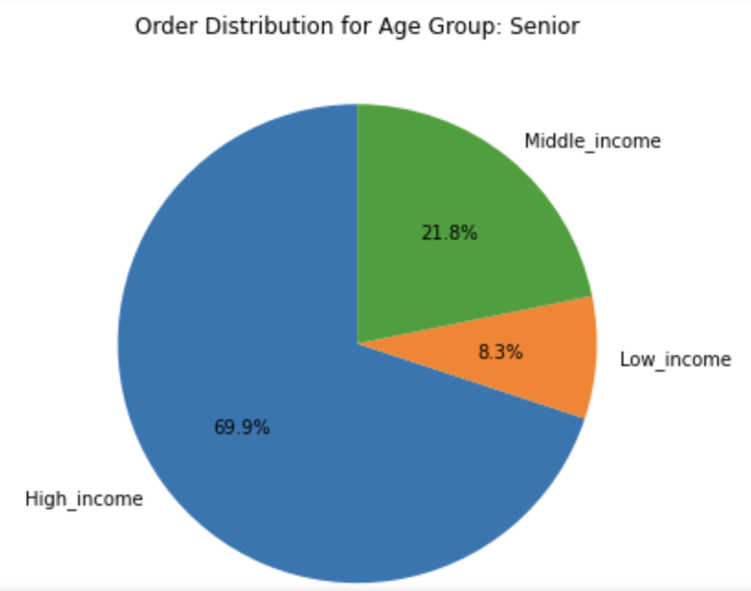
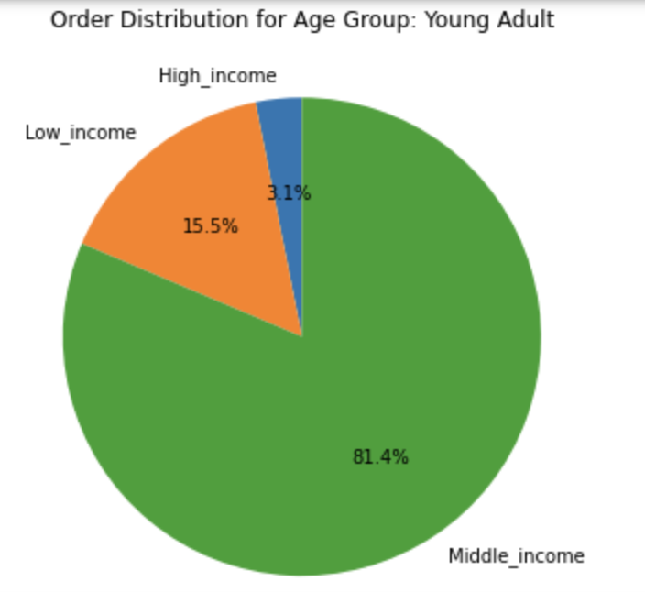
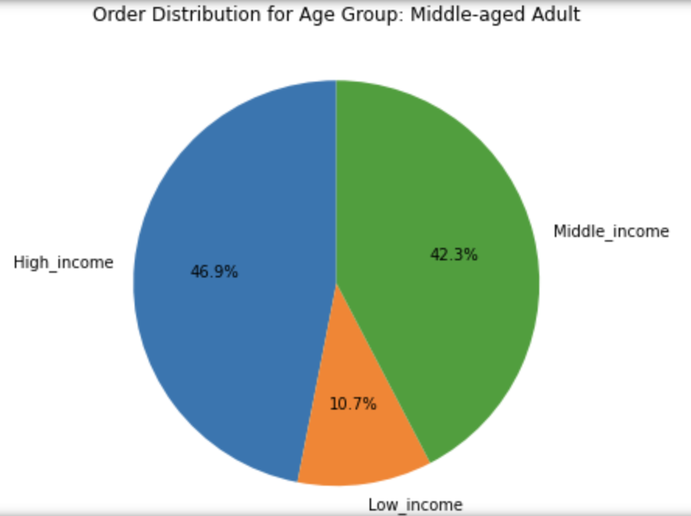

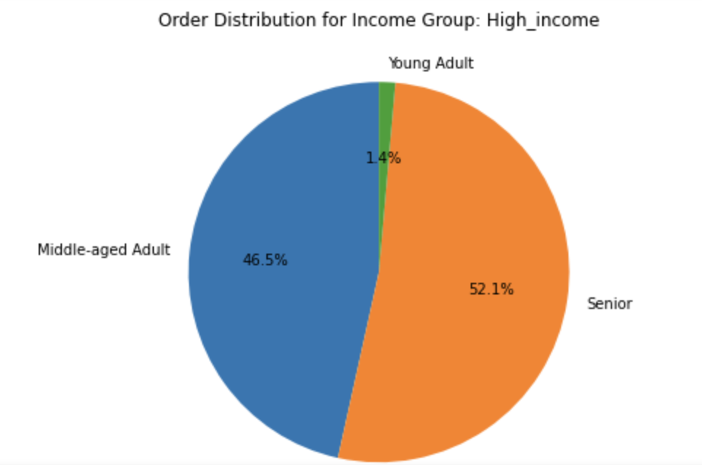
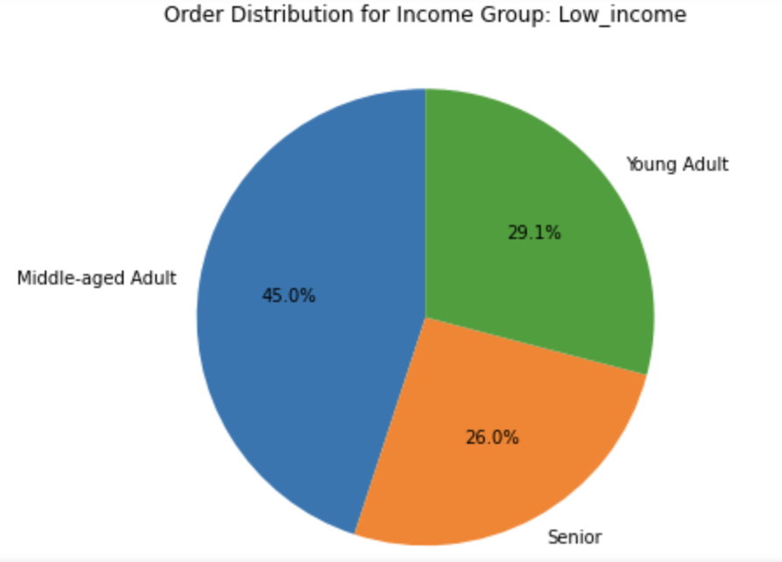
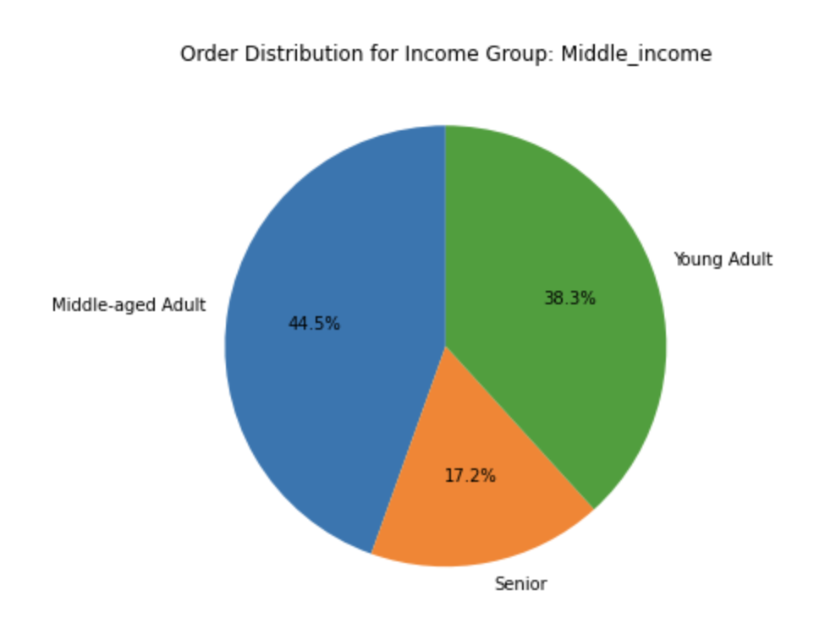

The above pie charts also correlate to these bar charts which indicate that the highest (43%) of instacart customers belong to the high-income group while 46% of the customers are middle aged consituting the highest customer base.

7. Recommendations
 |  |  | Title page

Recommendations

In this tab you should include any recommendations you would made to Instcart in terms of their marketing strategy based on the questions posed in the brief. Every key question has been covered in the Tasks of the Exercises - here you need to add an item - a visualisation or table/crosstable that is showing the answer in the data, acompanied by a comment from you. Please, list the questions below and add the answer underneath.

Question |  | Answer
Key Question 1 | What time of the day is the busiest? | According to the analysis, the highest number of orders are around 10:00 till 15:00. This is the time when most customers are active (with a frequency of ~3 customers per hour) and hence the highest number of ads must be shown in this period to increase more activity.
Key Question 2 | What time of the day do people spend the most money? | This indicates the time during which the pricier products can be advertised first, thereby giving them a higher chance for a sale. Here the timing would be early morning from 3:00 to 4:00.
Key Question 3 | What are the distribution of customers according to their brand loyalty? | Most customers fall under the regular category. Instacart can bring about new discounts and advertisements catered to this population set to make them loyal customers. The next step after this would be to target the new customers to become regular customers. A good indicative scale would be to monitor this graph and check for the tipping points when the number of loyal customers reach a higher percentage when compared to the number of regular customers.
Key Question 4 | Was there any link between age and spending power of the cutomers? | Most (80% of total customer base) Instacart customers are above the age of 40 years. This either implies that most users often tend to buy products from Instacart when they have enough money and the youngsters find the products expensive. The other reason could be that the products do not appeal to the younger customers. Some sort of change in advertisement strategy and economical perspective can be brought in to lure the younger customers who are a huge and promising market.
Key Question 5 | What is the income-distribution of the customers who are regular users of Instacart? | High-income (47% of customers) and mid-income customers (43% customers) fall under the highest ordering category. This could indicate that the prices of instacart products are expensive and there should be some steps taken in order to bring in certain economical products to target low-income customers as well.
Key Question 6 | What is the departmental-distribution of the customers who are regular users of Instacart? | Food items constitute the highest majority (~85%) of products sold by Instacart. In order to gain higher number of customers and sales, other kinds of products based on customer needs can be included. Probably a conduction of a survey that can indicate customer requirements might be a good start to include products which are customer-centric which would reflect positively on the final revenue.
Key Question 7 | Customers from which region order from which departments the highest? | The South region has the highest overall purchase, accounting for 32.5% of the total purchases across all regions. Factors such as accessibility to certain locations in Instacart across these regions can be checked to see why the usage is lower. Probably, the other states have other product requirements that must be assessed.

